Sheet1
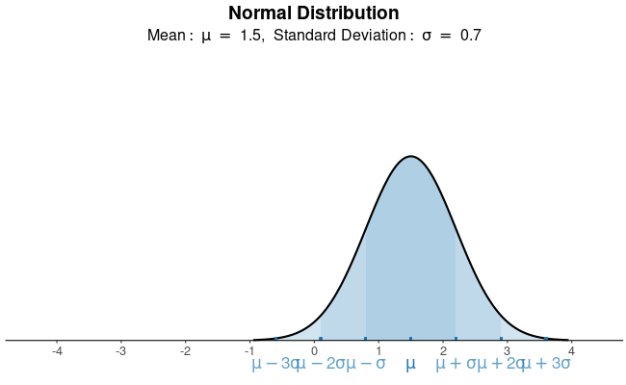
Normal Dist.
Mean | 1.5
SD | 0.7

Simulated Data
0.88686097442 | =NORMINV(RAND(),$D$6,$D$7)
1.6770983206
1.5518378895
2.5539311692
2.3772297386
1.7600299707
1.3520965865
2.0830988023
1.4052902474
1.877860346
1.6125579985
1.6411350439

